Sheet1
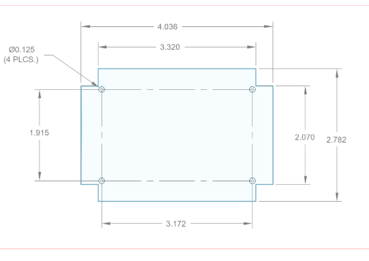
LP35 PCB Point Locations

Ht | 2782
Width | 4036

offset left | 358
offset right | 358
offset top | 356
offset bottom | 356
hole offset left | 432
hole offset bottom | 433.5

 | X | Y
Origin | 0 | 0
left bottom | 358 | 0
right bottom | 3678 | 0
left tab bottom | 0 | 356
right tab bottom | 4036 | 356
left tab top | 0 | 2426
right tab top | 4036 | 2426
left top | 358 | 2782
right top | 3678 | 2426
hole bot left | 432 | 433.5
hole bot right | 3604 | 433.5
hole top left | 432 | 2348.5
hole top right | 3604 | 2348.5

